Ultrasonic sensor
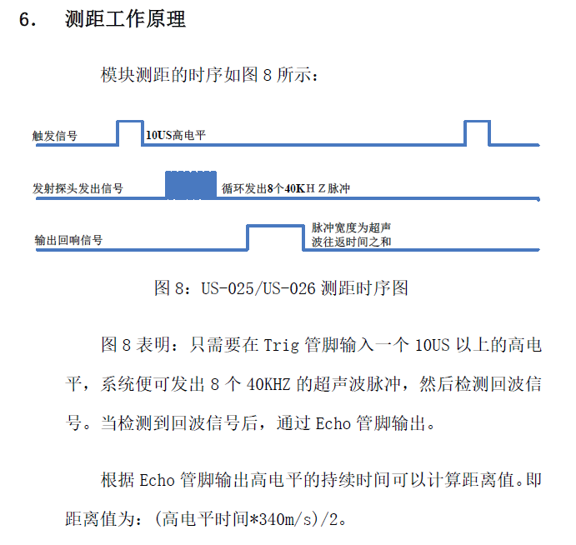
Test equipment needed:
 | - RJ45 interface to connect ultrasonic sensor
 | - Digital IO with precise time measurement
 | - 5V supply
 | - Obstacle with at least 2 different position to make sure sensor is working

Test equipment setup:
 | Connect 5V supply to pin 1 of the RJ45 and GND to pin8
 | Connect digital output of the test equipment to pin 2
 | Connect digital input of the test equipment to pin7

Test steps:
 | Apply 10us TRIGGER pulse on pin 2
 | Measure the length of ECHO signal on pin 7 see picture
 | Apply different obstacle distance and repeat above 2 steps

Evaluation criteria/test requirements:
 | The length of ECHO pulse must match the distance of the obstacle
 | Every other pins of RJ45 has to be floating
 | Short circuit is forbidden between any of the pins
 | ECHO signal amplitude must be >= 4.5V

Data to store from every sensor with unique/traceable ID:
 | avg ECHO length with different (known) obstacle distances
 | Test result (PASSED or FAILED)

Motor pack
Test equipment needed:
 | - RJ45 interface to connect motor pack
 | - H-bridge to drive the motor in both directions, max 9V
 | - motor current measurement
 | - 5V supply for encoders
 | - 2 channel Logic analyzer/oscilloscope for encoder signal measurement
 | - acoustic test equipment
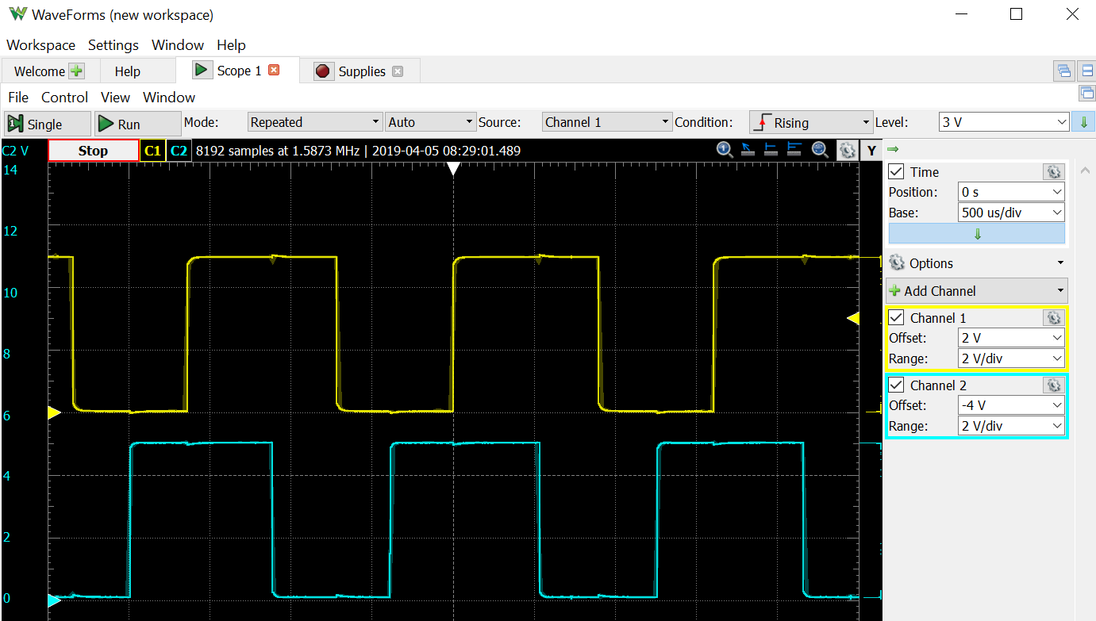
Test equipment setup:
 | Connect 5V supply to pin 4 of the RJ45 and GND to pin8 (encoder supply)
 | Connect channel1 of logic analyzer to pin 1
 | Connect channel2 of logic analyzer to pin 5
 | Connect outputs of H-bridge to MOT+ pin 3 and MOT- pin 7

Test steps:
 | Start recording of encoder signals, current, acoustic
 | Apply 8.4V on MOT+ and GND on MOT-
 | Let the motor pack turn at least 10 (TBD) full rotation on the output shaft
 | Apply 8.4V on MOT- and GND on MOT+
 | Let the motor pack turn at least 10 (TBD) full rotation on the output shaft
 | Stop recording of signals

Evaluation criteria/test requirements:
 | Motor must be able to rotate in both directions
 | Both encoder channels must count the rotation of magnet
 | Encoder signal amplitude must be >= 4.5V
 | The phase between the 2 channels must be 1/4 period during the whole measurement as seen on the picture
 | Number of pulses should match the phisical rotation of the motor
 | Speed and current must be nearly the same in both directions
 | Acoustic results of the whole motor pack must be acceptable (TBD)

Data to store from every sensor with unique/traceable ID:
 | avg, min and max current in both directions
 | avg, min and max speed in both directions
 | max acoutsic level
 | avg phase between the encoder channels
 | Test result (PASSED or FAILED)

